Burberry offer list FW2020 2021
brand | photo | description | gender | color | material | art color | art code | q.ty | retail price | tot value retail | wholesale price | tot value wholesale
Burberry | 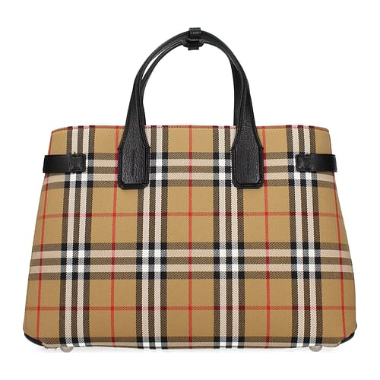 | handbags | woman | Beige | fabbric | F41860 | 4076953 | 3 | 1,390.00 € | 4,170.00 € | 534.62 € | 1,603.85 €
Burberry | 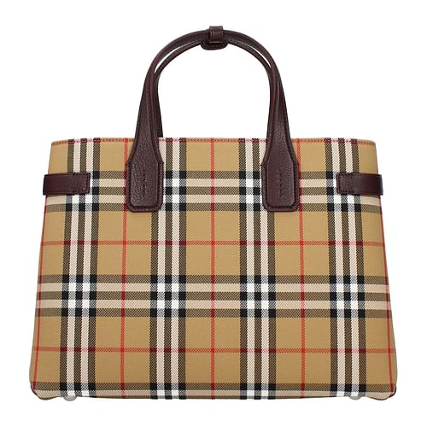 | handbags | woman | Beige | fabbric | F41860 | 4076952 | 7 | 1,390.00 € | 4,170.00 € | 534.62 € | 3,742.31 €
Burberry |  | handbags | woman | Beige | fabbric | F44856 | 4079964 | 9 | 980.00 € | 4,170.00 € | 376.92 € | 3,392.31 €
Burberry | 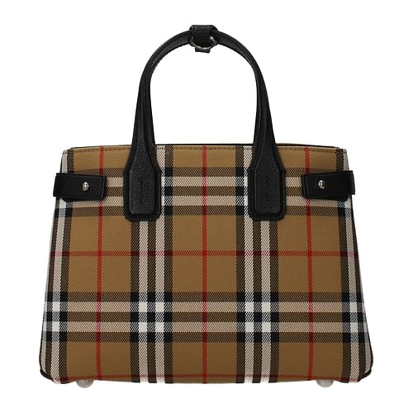 | handbags | woman | Beige | fabbric | F44858 | 4076948 | 10 | 1,250.00 € | 4,170.00 € | 480.77 € | 4,807.69 €
Burberry | 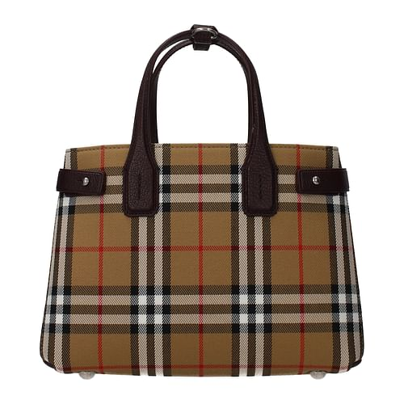 | handbags | woman | Beige | fabbric | F44858 | 4076950 | 6 | 1,250.00 € | 4,170.00 € | 480.77 € | 2,884.62 €
Burberry | 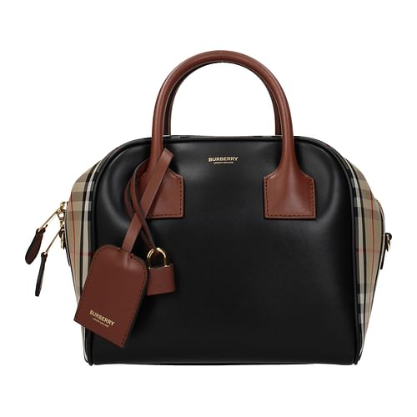 | handbags | woman | Beige | leather | F52799 | 8019359 | 3 | 1,490.00 € | 4,170.00 € | 573.08 € | 1,719.23 €
Burberry | 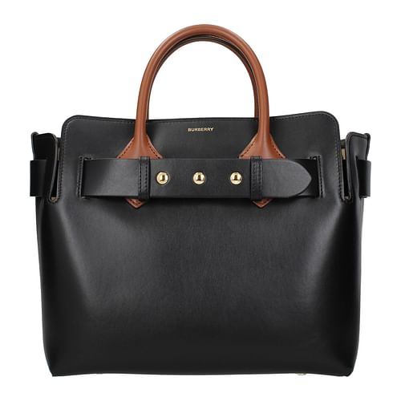 | handbags | woman | black | leather | F54214 | 8015903 | 7 | 1,650.00 € | 4,170.00 € | 634.62 € | 4,442.31 €
Burberry | 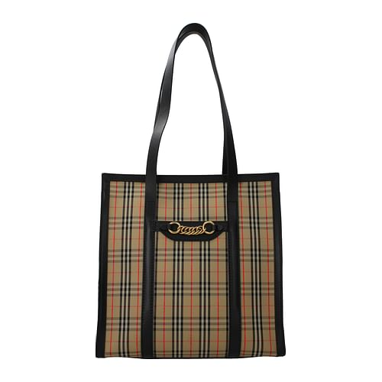 | shoulder bag | woman | Beige | fabbric | F44859 | 8006437 | 3 | 990.00 € | 4,170.00 € | 380.77 € | 1,142.31 €
Burberry | 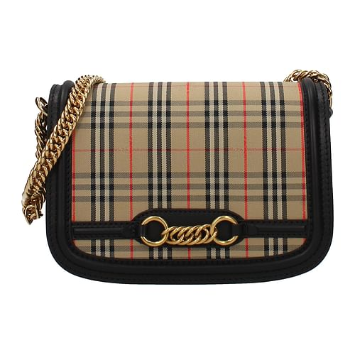 | shoulder bag | woman | Beige | fabbric | F47152 | 4080185 | 2 | 980.00 € | 4,170.00 € | 376.92 € | 753.85 €
Burberry | 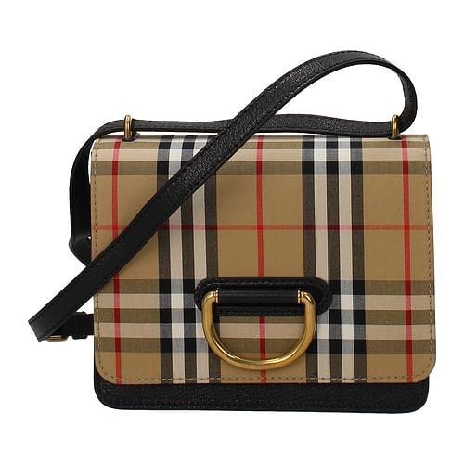 | shoulder bag | woman | Beige | fabbric | F43378 | 4076641 | 2 | 1,290.00 € | 4,170.00 € | 496.15 € | 992.31 €
Burberry | 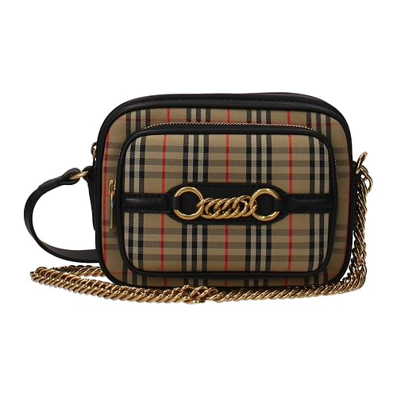 | shoulder bag | woman | Beige | fabbric | F44855 | 4079880 | 1 | 790.00 € | 4,170.00 € | 303.85 € | 303.85 €
Burberry | 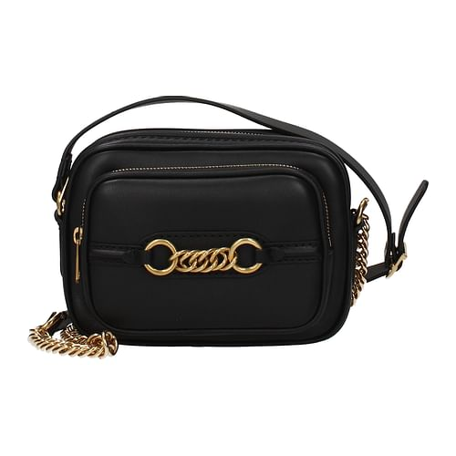 | shoulder bag | woman | black | leather | F47143 | 8006451 | 3 | 890.00 € | 4,170.00 € | 342.31 € | 1,026.92 €
Burberry | 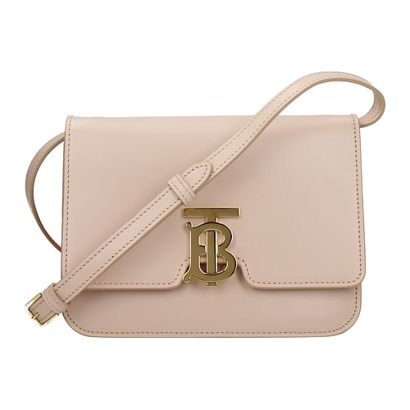 | shoulder bag | woman | pink | leather | F50646 | 8010333 | 4 | 1,690.00 € | 4,170.00 € | 650.00 € | 2,600.00 €
Burberry | 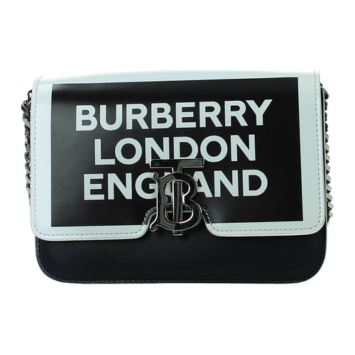 | shoulder bag | woman | white | leather | F51441 | 8012476 | 1 | 1,990.00 € | 4,170.00 € | 765.38 € | 765.38 €
Burberry | 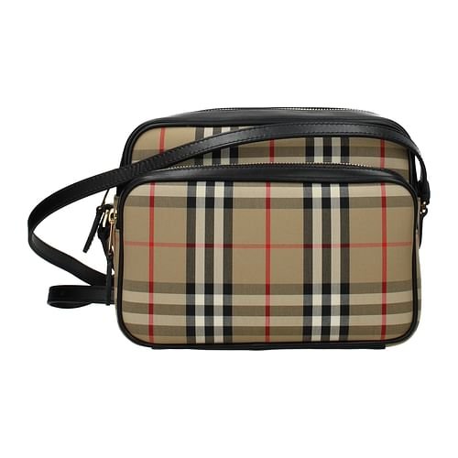 | shoulder bag | woman | Beige | fabbric | F53002 | 8019377 | 1 | 890.00 € | 4,170.00 € | 342.31 € | 342.31 €
Burberry | 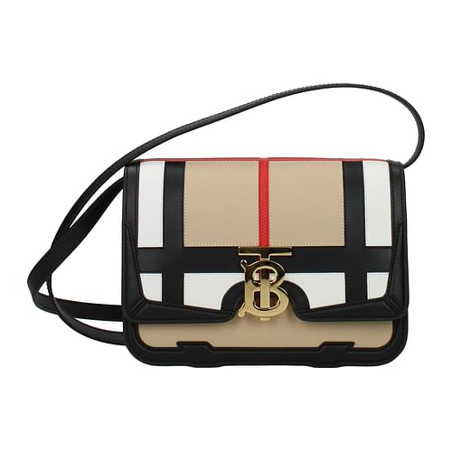 | shoulder bag | woman | Beige | leather | F53060 | 8021014 | 1 | 1,950.00 € | 4,170.00 € | 750.00 € | 750.00 €
Burberry | 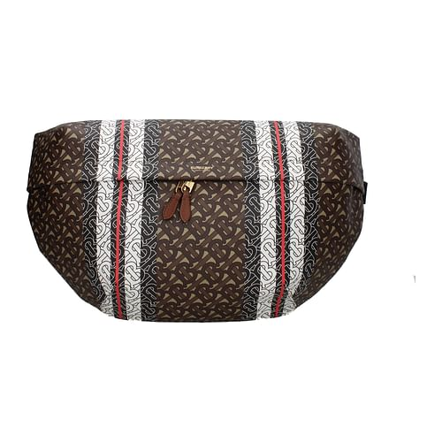 | shoulder bag | man | brown | fabbric | F56472 | 8021101 | 1 | 890.00 € | 4,170.00 € | 342.31 € | 342.31 €
Burberry | 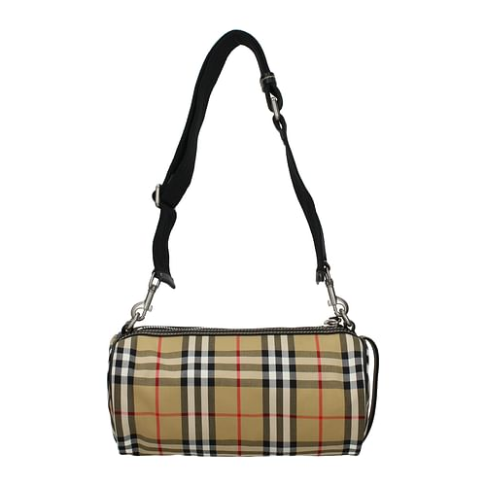 | shoulder bag | woman | Beige | fabbric | F56573 | 4076635 | 1 | 980.00 € | 4,170.00 € | 376.92 € | 376.92 €
Burberry | 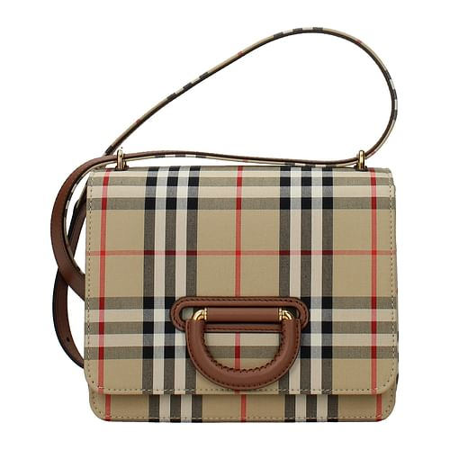 | shoulder bag | woman | Beige | fabbric | F53820 | 8010585 | 1 | 1,490.00 € | 4,170.00 € | 573.08 € | 573.08 €
Burberry | 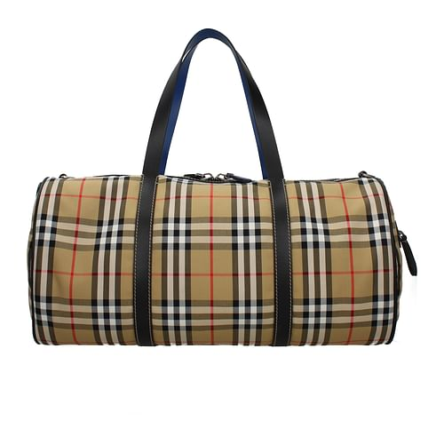 | luggage bag | men | Beige | fabbric | F56577 | 4074216 | 1 | 1,150.00 € | 4,170.00 € | 442.31 € | 442.31 €
Burberry | 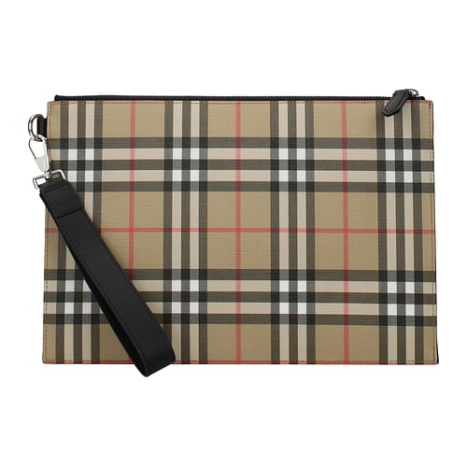 | Pochette | men | Beige | fabbric | F53001 | 8016615 | 1 | 580.00 € | 4,170.00 € | 223.08 € | 223.08 €
Burberry | 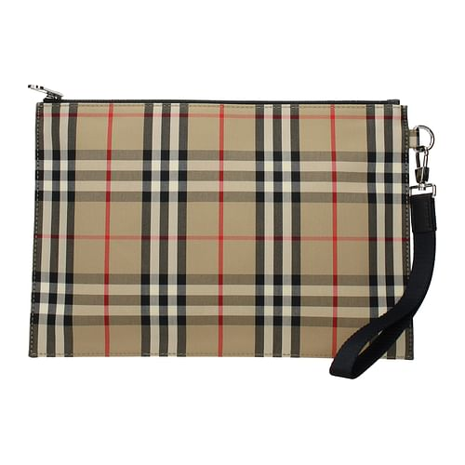 | Pochette | men | Beige | fabbric | F56479 | 8014989 | 3 | 450.00 € | 4,170.00 € | 173.08 € | 519.23 €
Burberry | 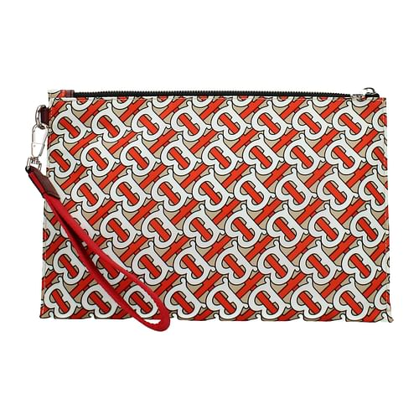 | Pochette | woman | Multicolor | fabbric | F50064 | 8010766 | 5 | 520.00 € | 4,170.00 € | 200.00 € | 1,000.00 €
Burberry | 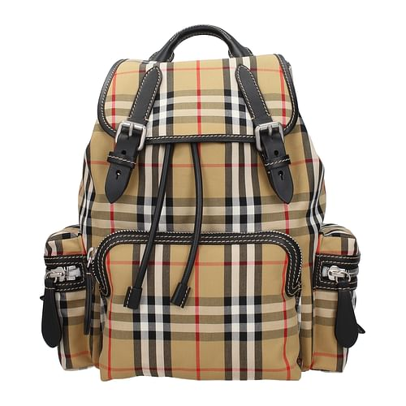 | backpacks | woman | Beige | fabbric | F41861 | 4076747 | 1 | 1,290.00 € | 4,170.00 € | 496.15 € | 496.15 €
Burberry | 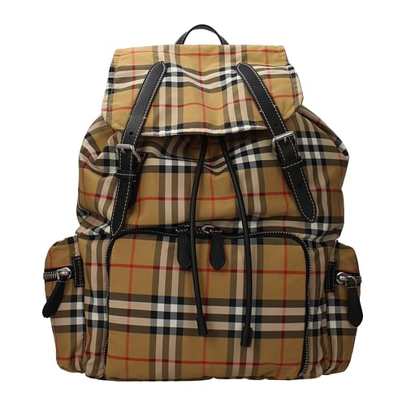 | backpacks | men | Beige | Nylon | F44860 | 8005141 | 4 | 1,350.00 € | 4,170.00 € | 519.23 € | 2,076.92 €
Burberry | 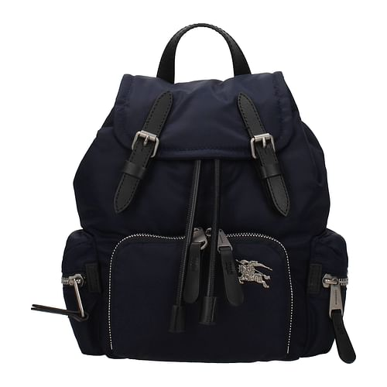 | backpacks | woman | blue | fabbric | F47148 | 8006719 | 1 | 990.00 € | 4,170.00 € | 380.77 € | 380.77 €
Burberry | 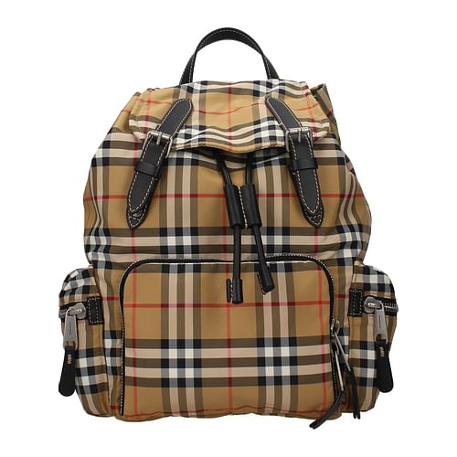 | backpacks | woman | Beige | fabbric | F47150 | 8006724 | 2 | 1,290.00 € | 4,170.00 € | 496.15 € | 992.31 €
Burberry | 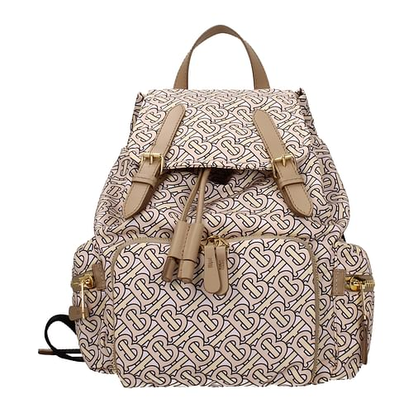 | backpacks | woman | pink | fabbric | F50072 | 8011639 | 6 | 1,290.00 € | 4,170.00 € | 496.15 € | 2,976.92 €
Burberry | 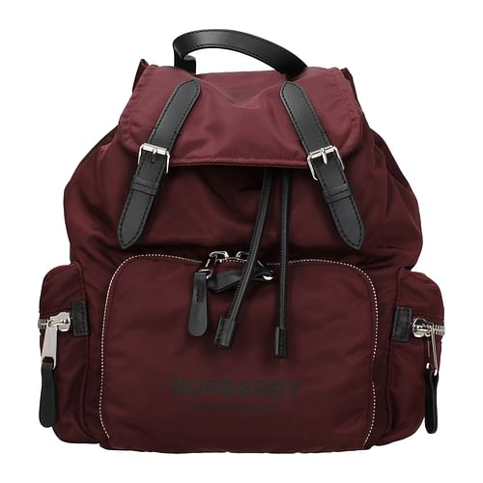 | backpacks | woman | red | Nylon | F50647 | 8011620 | 14 | 1,090.00 € | 4,170.00 € | 419.23 € | 5,869.23 €
Burberry | 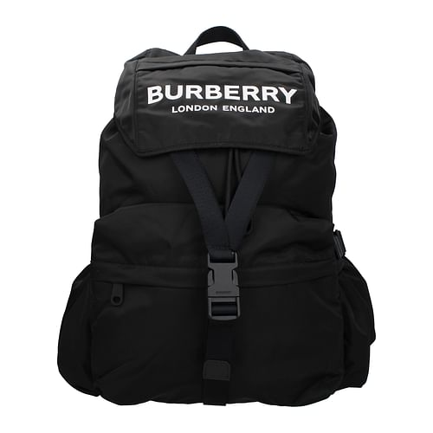 | backpacks | woman | black | Nylon | F50648 | 8010608 | 5 | 1,090.00 € | 4,170.00 € | 419.23 € | 2,096.15 €
Burberry | 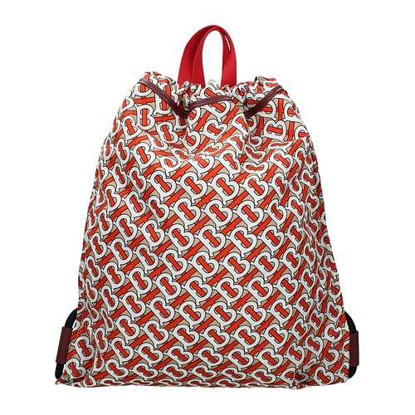 | backpacks | woman | Multicolor | fabbric | F51437 | 8010741 | 1 | 690.00 € | 4,170.00 € | 265.38 € | 265.38 €
Burberry | 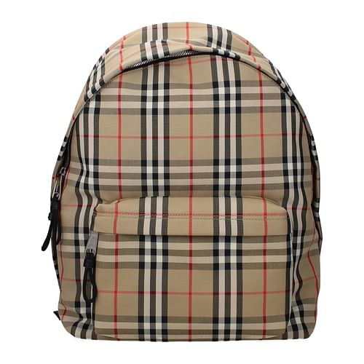 | backpacks | men | Beige | fabbric | F52800 | 8016106 | 3 | 850.00 € | 4,170.00 € | 326.92 € | 980.77 €
Burberry | 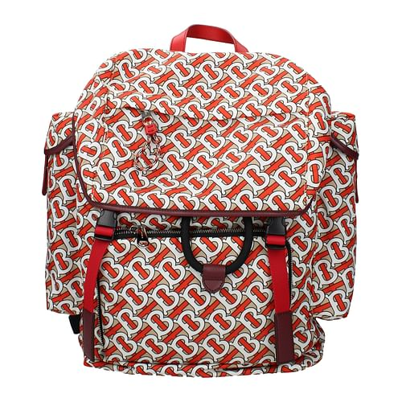 | backpacks | men | Multicolor | fabbric | F53834 | 8010738 | 3 | 1,390.00 € | 4,170.00 € | 534.62 € | 1,603.85 €
Burberry | 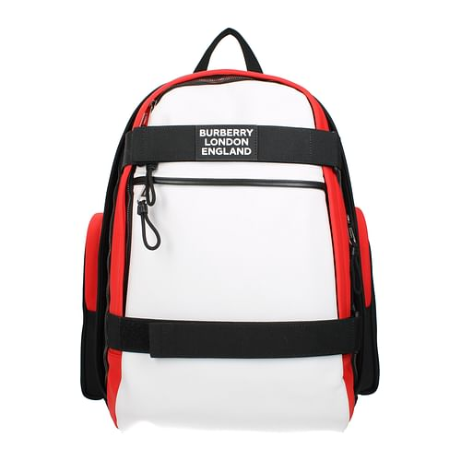 | backpacks | men | black | fabbric | F55944 | 8023642 | 3 | 1,290.00 € | 4,170.00 € | 496.15 € | 1,488.46 €
Burberry | 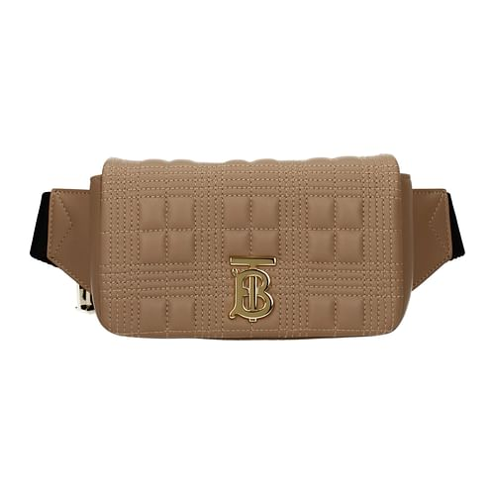 | pouch | woman | brown | leather | F55945 | 8028871 | 1 | 890.00 € | 4,170.00 € | 342.31 € | 342.31 €
Burberry | 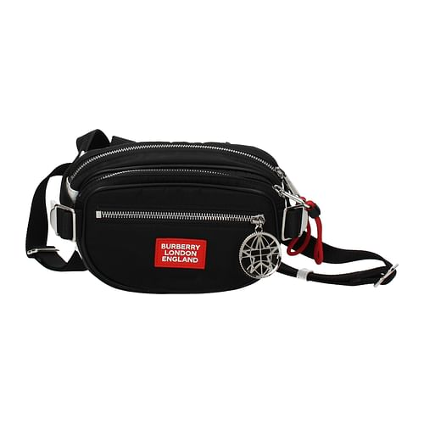 | pouch | men | black | fabbric | F55948 | 8028243 | 4 | 750.00 € | 4,170.00 € | 288.46 € | 1,153.85 €
Burberry | 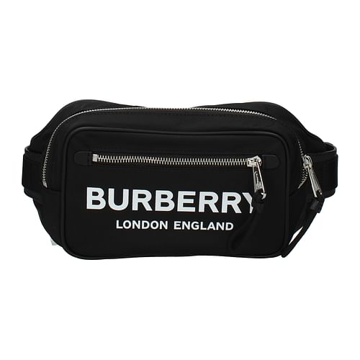 | pouch | men | black | fabbric | F56480 | 8014603 | 1 | 550.00 € | 4,170.00 € | 211.54 € | 211.54 €
Burberry | 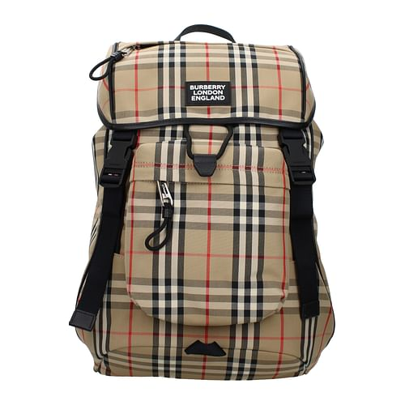 | pouch | men | Beige | fabbric | F57253 | 8017736 | 6 | 1,290.00 € | 4,170.00 € | 496.15 € | 2,976.92 €
Burberry | 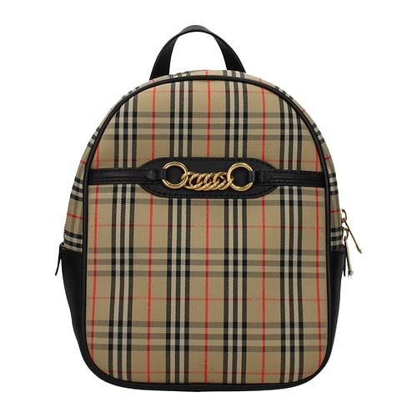 | pouch | woman | Beige | fabbric | F57255 | 8004653 | 1 | 980.00 € | 4,170.00 € | 376.92 € | 376.92 €
 |  |  |  |  |  |  |  | 132 |  | 162,630.00 € |  | 59,034.62 €

